Sheet1
1 |  |  |  |  |  |  |  | 1
 | a) |  |  |  |  |  |  |  | a)
 |  | Cash | $1,000 |  | Capital Stock | $1,000 |  |  |  | Cash | $1,000 |  | Capital Stock | $1,000

 | b) |  |  |  |  |  |  |  | b)
 |  | Inventory (or Goods) | $100 |  | Cash | $100 |  |  |  | Inventory (or Goods) | $100 |  | Cash | $100

 | c) |  |  |  |  |  |  |  | c)
 |  | Inventory (or Goods) | $500 |  | Accounts payable | $500 |  |  |  | Inventory (or Goods) | $500 |  | Accounts payable | $500

 | d) |  |  |  |  |  |  |  | d)
 |  | Cash | $500 |  | Revenue | $500 |  |  |  | Cash | $500 |  | Gain | $200
 |  | Cost of goods | $300 |  | Inventory (or Goods) | $300 |  |  |  |  |  |  | Inventory (or Goods) | $300

 | e) |  |  |  |  |  |  |  | e)
 |  | Accounts receivable | $600 |  | Revenue | $600 |  |  |  | Accounts receivable | $600 |  | Gain | $400
 |  | Cost of goods | $200 |  | Inventory (or Goods) | $200 |  |  |  |  |  |  | Inventory (or Goods) | $200

 | f) |  |  |  |  |  |  |  | f)
 |  | Rent Expense | $200 |  | Cash | $200 |  |  |  | Rent Expense | $200 |  | Cash | $200

 | g) |  |  |  |  |  |  |  | g)
 |  | Bank Account (Bank Deposit) | $150 |  | Cash | $150 |  |  |  | Bank Account (Bank Deposit) | $150 |  | Cash | $150
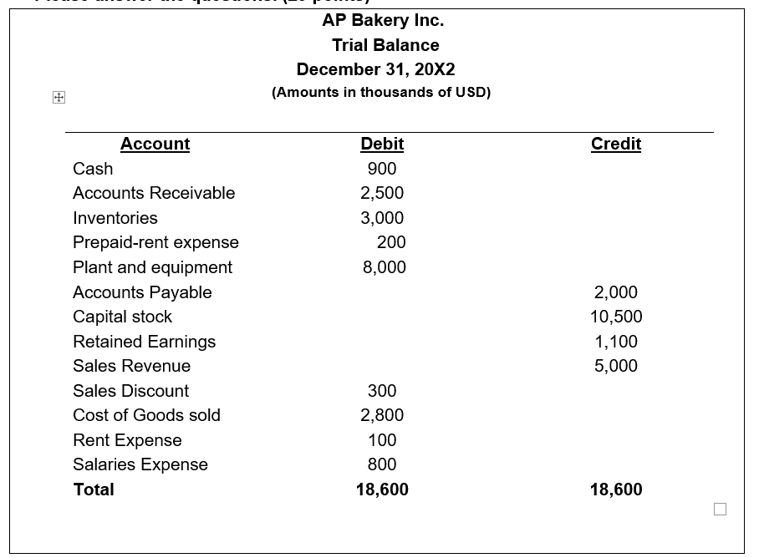

2 |  |  |  |  |  |  |  | 2
 | a) |  |  |  |  |  |  |  | a)
 |  | Salary Expense | $30,000 |  | Un-paid Salary (or Salary Payable) | $30,000 |  |  |  | Salary Expense | $30,000 |  | Cash | $30,000

 | b) |  |  |  |  |  |  |  | b)
 |  | Rent Expense | $40,000 |  | Prepaid-rent expense | $40,000 |  |  |  | Rent Expense | $40,000 |  | Cash | $40,000

 | c) |  |  |  |  |  |  |  | c)
 |  | Electricity expense | $30,000 |  | Unpaid electricity expense (or Electricity expense payable) | $30,000 |  |  |  | Electricity expense | $30,000 |  | Cash | $30,000

 | d)
 |  |  | AP Bakery Inc. |  |  |  |  |  |  |  | AP Bakery Inc.
 |  |  | Income Statement |  |  |  |  |  |  |  | Income Statement
 |  |  | For the Year Ended December 31, 20x2 (or From January 1, 20X2 to December 31, 20x2) |  |  |  |  |  |  |  | For the Year Ended December 31, 20x2 (or From January 1, 20X2 to December 31, 20x2)
 |  |  | (Amounts in Thousands of USD) |  |  |  |  |  |  |  | (Amounts in Thousands of USD)

 |  | Sales Revenue |  | 5,000 |  |  |  |  |  | Sales Revenue |  | 5,000
 |  | Sales discount |  | 300 |  |  |  |  |  | Sales discount |  | 300
 |  | Cost of goods |  | 2,800 |  |  |  |  |  | Cost of goods |  | 2,800
 |  | Gross Margin |  | 1,900 |  | =E66-E67-E68 |  |  |  | Gross Margin |  | 1,900 |  | =N66-N67-N68
 |  | Salary Expense |  | 830 |  |  |  |  |  | Salary Expense |  | 830
 |  | Rent Expense |  | 140 |  |  |  |  |  | Rent Expense |  | 140
 |  | Electricity expense |  | 30 |  |  |  |  |  | Electricity expense |  | 30
 |  | Net-Income |  | 900 |  | =E69-E70-E71-E72 |  |  |  | Net-Income |  | 900 |  | =N69-N70-N71-N72

 | e)
 |  |  | AP Bakery Inc. |  |  |  |  |  |  |  | AP Bakery Inc.
 |  |  | Balance Sheet |  |  |  |  |  |  |  | Balance Sheet
 |  |  | December 31, 2021 |  |  |  |  |  |  |  | December 31, 2021
 |  |  | (Amounts in Thousands of USD) |  |  |  |  |  |  |  | (Amounts in Thousands of USD)

 |  |  | ASSETS |  |  |  |  |  |  |  | ASSETS
 |  | CURRENT ASSETS: |  |  |  |  |  |  |  | CURRENT ASSETS:
 |  | Cash |  | 900 |  |  |  |  |  | Cash |  | 800
 |  | Receivables |  | 2,500 |  |  |  |  |  | Receivables |  | 2,500
 |  | Inventory |  | 3,000 |  |  |  |  |  | Inventory |  | 3,000
 |  | Prepaid-rent |  | 160 |  |  |  |  |  | Prepaid-rent |  | 200
 |  | NON-CURRENT ASSETS: |  |  |  |  |  |  |  | NON-CURRENT ASSETS:
 |  | Plant and Equipment |  | 8,000 |  |  |  |  |  | Plant and Equipment |  | 8,000
 |  | TOTAL ASSETS |  | 14,560 |  |  |  |  |  | TOTAL ASSETS |  | 14,500
 |  |  | LIABILITIES AND EQUITY |  |  |  |  |  |  |  | LIABILITIES AND EQUITY
 |  | CURRENT LIABILITIES: |  |  |  |  |  |  |  | CURRENT LIABILITIES:
 |  | Accounts Payable |  | 2,000 |  |  |  |  |  | Accounts Payable |  | 2,000
 |  | Salary Payable |  | 30 |  |  |  |  |  | Salary Payable |  | -
 |  | Electricity Expense Payable |  | 30 |  |  |  |  |  | Electricity Expense Payable |  | -
 |  | TOTAL LIABILITIES |  | 2,060 |  |  |  |  |  | TOTAL LIABILITIES |  | 2,000
 |  | EQUITY: |  |  |  |  |  |  |  | EQUITY:
 |  | Capital stock |  | 10,500 |  |  |  |  |  | Capital stock |  | 10,500
 |  | Retained Earnings |  | 2,000 |  |  |  |  |  | Retained Earnings |  | 2,000
 |  | TOTAL EQUITY |  | 12,500 |  |  |  |  |  | TOTAL EQUITY |  | 12,500
 |  | TOTAL LIABILITIES and EQUITY |  | 14,560 |  |  |  |  |  | TOTAL LIABILITIES and EQUITY |  | 14,500

3
 | a) |  |  |  |  |  |  |  | a)
 |  | 2022.1.4. |  |  |  |  |  |  |  | 2022.1.4.
 |  | Inventory | $200 |  | Accounts Payable | $200 |  |  |  | Inventory | $200 |  | Accounts Payable | $200

 |  | 2022.2.3. |  |  |  |  |  |  |  | 2022.2.3.
 |  | Inventory | $1,000 |  | Cash | $500 |  |  |  | Inventory | $1,000 |  | Cash | $500
 |  |  |  |  | Accounts Payable | $500 |  |  |  |  |  |  | Accounts Payable | $500

 |  | 2022.4.1. |  |  |  |  |  |  |  | 2022.4.1.
 |  | Cash | $2,500 |  | Land | $2,000 |  |  |  | Cash | $2,500 |  | Revenue (land sale) | $2,500 | $2,500
 |  |  |  |  | Gain on Disposal of Land | $500 |  |  |  | cost of land | $2,000 |  | land | $2,000

 |  | 2022.5.3. |  |  |  |  |  |  |  | 2022.5.3.
 |  | Accounts Receivable | $5,000 |  | Sales Revenue | $5,000 | $5,000 |  |  | Accounts Receivable | $5,000 |  | Sales Revenue | $5,000 | $5,000

 |  | Cost of sold goods | $3,300 |  | Inventory | $3,300 |  |  |  | Cost of sold goods | $3,300 |  | Inventory | $3,300

 |  | 2022.6.2. |  |  |  |  |  |  |  | 2022.6.2.
 |  | Cash | $6,000 |  | Revenue Sales | $6,000 | $6,000 |  |  | Cash | $6,000 |  | Revenue Sales | $6,000 | $6,000

 |  | Cost of sold goods | $4,200 |  | Inventory | $4,200 |  |  |  | Cost of sold goods | $4,200 |  | Inventory | $4,200

 |  | 2022.6.5. |  |  |  |  |  |  |  | 2022.6.5.
 |  | Inventory | $500 |  | Cost of sold goods | $500 |  |  |  | Inventory | $500 |  | Cost of sold goods | $500

 |  | Revenue Sales | $800 |  | Cash | $800 | ($800) |  |  | Revenue Sales | $800 |  | Cash | $800 | ($800)

 |  | 2022.6.30. |  |  |  |  |  |  |  | 2022.6.30.
 |  | Interest expense | $80 |  | Accrued interest expense (liability) | $80 |  |  |  | Interest expense | $80 |  | Accrued interest expense (liability) | $80

 |  | 2022.6.30. |  |  |  |  |  |  |  | 2022.6.30.
 |  | Accrued interest expense (liability) | $80 |  | Cash | $80 |  |  |  | Accrued interest expense (liability) | $80 |  | Cash | $80

 |  | 2022.6.30. |  |  |  |  |  |  |  | 2022.6.30.
 |  | Loan | $2,000 |  | Cash | $2,000 |  |  |  | Loan | $2,000 |  | Cash | $2,000

 | b) |  |  |  |  |  |  |  | b)
 |  | Salary Expense | $3,300 |  | Cash | $3,600 |  |  |  | Salary Expense | $3,300 |  | Cash | $3,600
 |  | Unpaid salaries (Salary Payable) | $300 |  |  |  |  |  |  | Unpaid salaries (Salary Payable) | $300

 |  | Salary Expense | $100 |  | Unpaid Salaries (Salary Payable) | $100 |  |  |  | Salary Expense | $100 |  | Unpaid Salaries (Salary Payable) | $100

 |  |  | AP Bakery Inc. |  |  |  |  |  |  |  | AP Bakery Inc.
 |  |  | Income statement |  |  |  |  |  |  |  | Income statement
 |  |  | The period between January 1, 2022 and December 31, 2022 |  |  |  |  |  |  |  | The period between January 1, 2022 and December 31, 2022
 |  |  | (Amounts in USD) |  |  |  |  |  |  |  | (Amounts in USD)

 |  | Sales Revenue |  | 10,200 |  |  |  |  |  | Sales Revenue |  | 12,700
 |  | Cost of Goods Sold |  | 7,000 |  |  |  |  |  | Cost of Goods Sold |  | 9,000
 |  | Gross Margin |  |  | 3,200 |  |  |  |  | Gross Margin |  |  | 3,700
 |  | Salary Expense |  | 3,400 |  |  |  |  |  | Salary Expense |  | 3,400
 |  | Operating Profits / losses |  |  | -200 |  |  |  |  | Operating Profits / losses |  |  | 300
 |  | Interest expense |  |  | 80 |  |  |  |  | Interest expense |  |  | 80
 |  | Non-operating income |  |  | 500 |  |  |  |  | Non-operating income |  |  | 0
 |  | Gain on land disposal |  | 500 |  |  |  |  |  | Gain on land disposal |  | 0
 |  | Net-Income |  |  | 220 |  |  |  |  | Net-Income |  |  | 220

